Sheet1
DATE | INV NO. | DESCRIPTIONS | QTY | BILLS | PRICE | TOTAL | STATUS
2025-10-14 | 2510/FK-1749 | Striploin Ichi Brown | 10.65 | 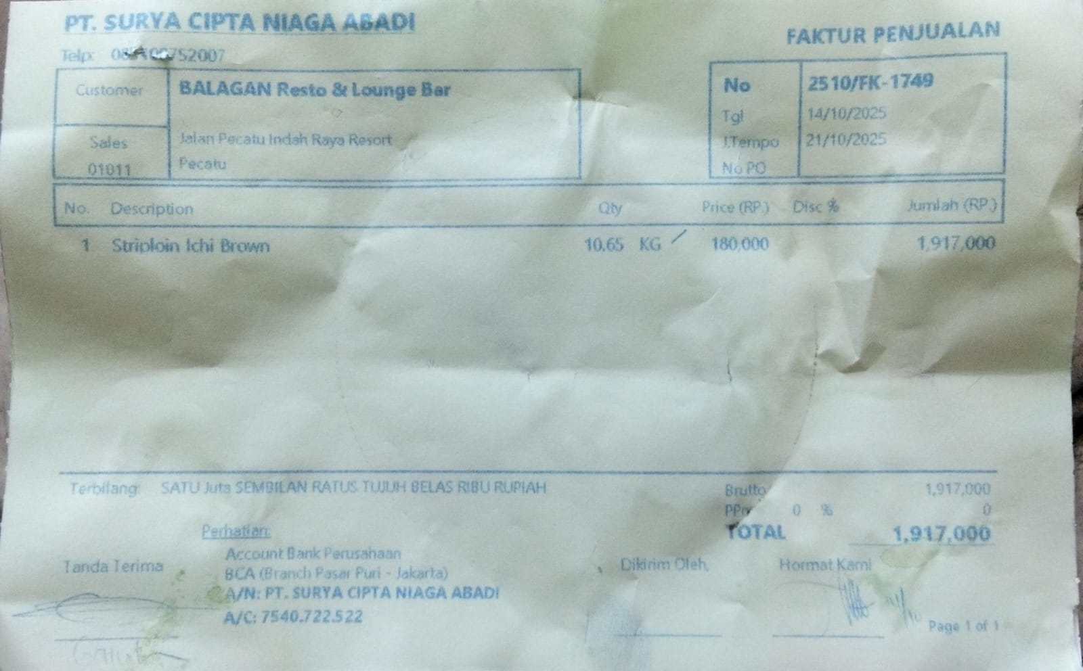 | Rp180,000 | Rp1,917,000
TOTAL |  |  |  | Rp1,917,000

